Labelling strategy
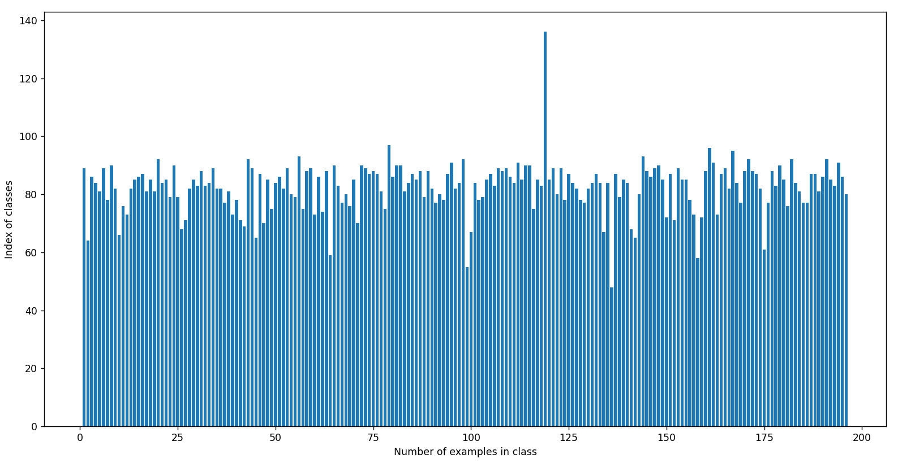
Cars dataset | http://ai.stanford.edu/~jkrause/cars/car_dataset.html | Including 16K images of different cars | 196 classes

Requirements |  | Neural Network labelling | Human Labelling
- Модель машины (Fiesta, Focus, F150, Mustang, Mondeo) |  | - | Full human labelling
- Цвет машины (белый, красный, черный, синий) |  | detect car with pretrained YOLO model, get the main color of the detected car | Human checking of correct NN labelling
- Background (город, горы, море, природа-зелень) |  | Find NN which classify background; Clusterize backgrounds | Validate NN results or label clusters
- Внутри или снаружи машины |  | - | Fully human labelling
- Аудитория 1 (мужчина, женщина, ребенок) |  | Use pretrained YOLO to detect person | Label person gender or find NN which detect gender and validate the results
- Аудитория 2 (возраст - пожилые люди или молодые) |  | Find the model which classify the age of person | Full human labelling or validate found NN
- тип машины (хетчбек, кроссовер, прочее) |  | - | Classify labels in open dataset

GDPR
Q: Can this dataset be used for commercial purposes?
A: This dataset is for research purposes only, similar to the ImageNet license.

Number of examples in each class is balanced (81 example on average). Just 1 class has more values than other ones

